Swiggy Order Summary
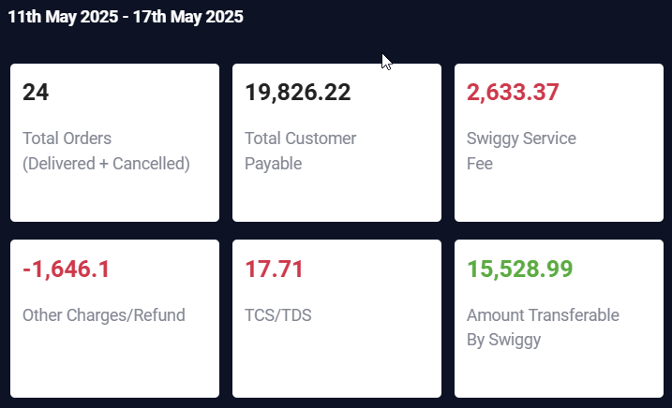
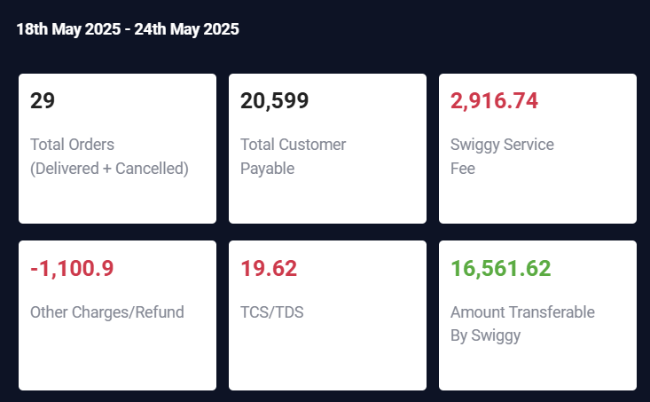
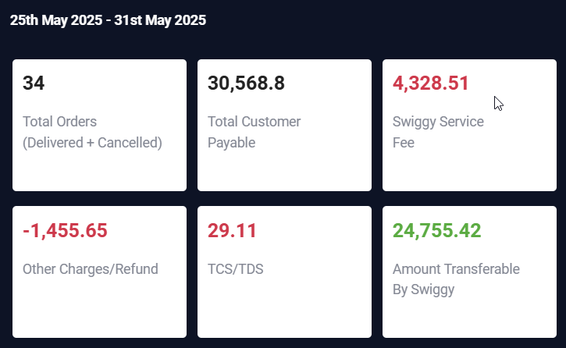
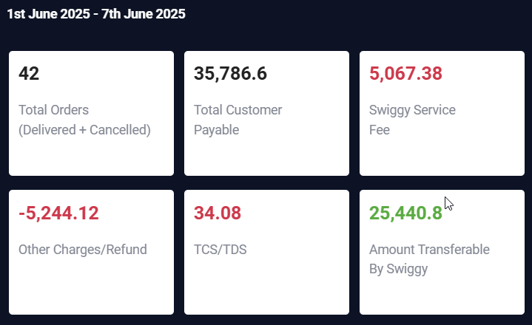
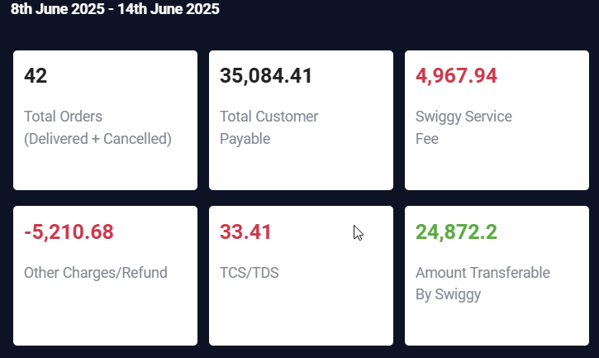
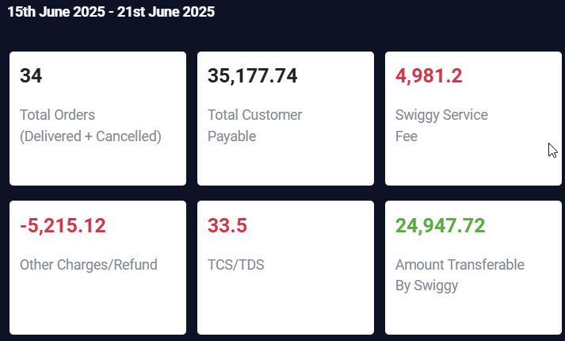
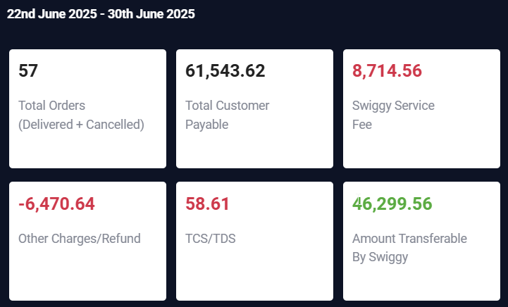
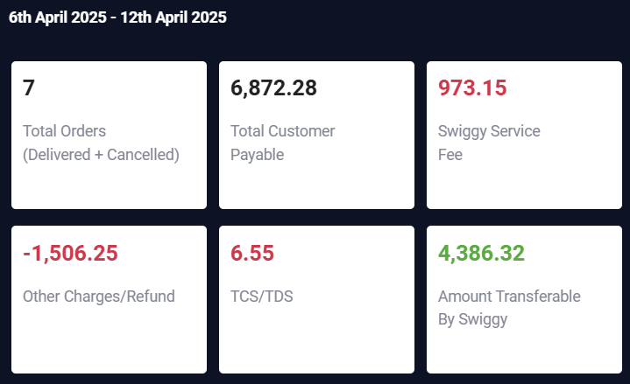
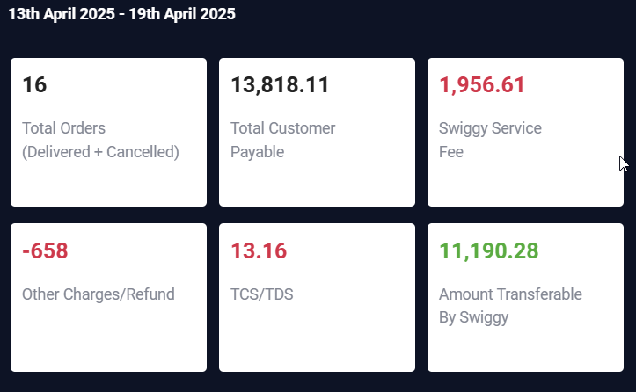
PaymentID | Start Date | End Date | No. of Orders | Total Sales | Sw_Order | Sw_Total | Sw_ServiceFee | Sw_Other | Sw_TCS | SW_Payable | SW_Differnce | ActualDifference | Swiggy%
APR16 | 2025-04-06 | 2025-04-13 | 7 | ₹6,872.00 | 7 | ₹6,872.28 | ₹973.15 | ₹1,506.25 | ₹6.55 | ₹4,386.32 | ₹2,485.96 | ₹2,485.68 | 36.17%
APR23 | 2025-04-13 | 2025-04-20 | 15 | ₹13,706.00 | 16 | ₹13,818.11 | ₹1,956.61 | ₹658.00 | ₹13.60 | ₹11,190.28 | ₹2,627.83 | ₹2,515.72 | 19.02%
APR30 | 2025-06-20 | 2025-06-27 | 45 | ₹52,771.00 | 53 | ₹49,381.80 | ₹6,992.35 | ₹2,620.50 | ₹47.03 | ₹39,721.55 | ₹9,660.25 | ₹13,049.45 | 19.56%
MAY5 | 2025-04-27 | 2025-04-30 | 10 | ₹11,511.00 | 18 | ₹18,711.10 | ₹2,649.41 | ₹891.00 | ₹17.82 | ₹15,152.76 | ₹3,558.34 | -₹3,641.76 | 19.02%
MAY7 | 2025-05-01 | 2025-05-03 | 9 | ₹10,183.00 | 15 | ₹13,810.73 | ₹1,955.58 | ₹1,355.65 | ₹13.15 | ₹10,486.25 | ₹3,324.48 | -₹303.25 | 24.07%
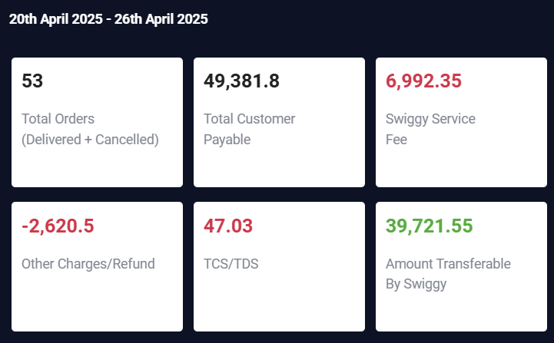
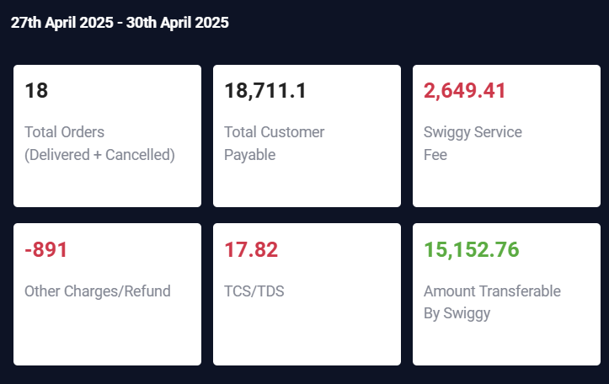
MAY14 | 2025-05-04 | 2025-05-10 | 21 | ₹19,022.00 | 24 | ₹17,763.48 | ₹2,522.44 | ₹845.88 | ₹16.92 | ₹14,375.22 | ₹3,388.26 | ₹4,646.78 | 19.07%
MAY21 | 2025-05-11 | 2025-05-17 | 21 | ₹17,968.00 | 24 | ₹19,826.22 | 29 | ₹1,646.10 | ₹17.71 | ₹15,528.99 | ₹4,297.23 | ₹2,439.01 | 21.67%
MAY28 | 2025-05-18 | 2025-05-24 | 21 | ₹15,230.00 |  | ₹20,599.00 | ₹2,916.74 | ₹1,100.90 | ₹19.62 | ₹16,561.62 | ₹4,037.38 | -₹1,331.62 | 19.60%
JUN4 | 2025-05-25 | 2025-05-31 | 26 | ₹26,045.00 | 34 | ₹30,568.80 | ₹4,328.51 | ₹1,455.65 | ₹29.11 | ₹24,755.42 | ₹5,813.38 | ₹1,289.58 | 19.02%
JUN11 | 2025-06-01 | 2025-06-07 | 32 | ₹27,518.00 | 42 | ₹35,786.60 | ₹5,067.38 | ₹5,244.12 | ₹34.08 | ₹25,440.80 | ₹10,345.80 | ₹2,077.20 | 28.91%
JUN18 | 2025-06-08 | 2025-06-14 | 36 | ₹32,893.00 | 42 | ₹35,084.41 | ₹4,967.94 | ₹5,210.68 | ₹33.41 | ₹24,872.20 | ₹10,212.21 | ₹8,020.80 | 29.11%
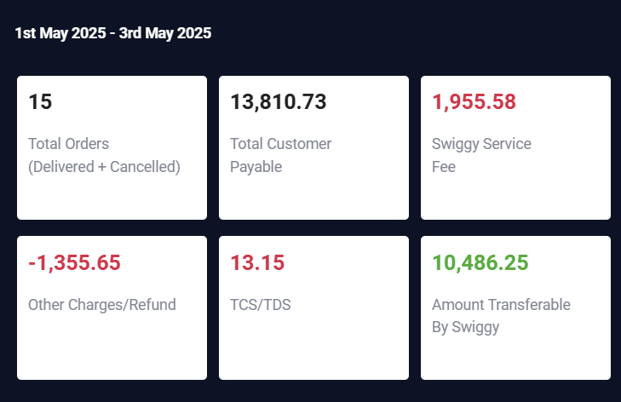
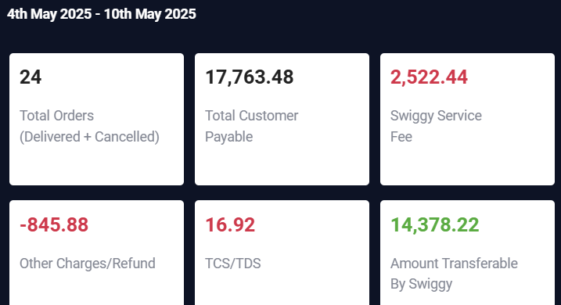
JUN25 | 2025-06-22 | 2025-06-30 | 47 | ₹55,945.00 | 34 | ₹35,177.74 | ₹4,981.20 | ₹5,215.12 | ₹33.50 | ₹24,947.72 | ₹10,230.02 | ₹30,997.28 | 29.08%
JUL4 | 2025-07-01 | 2025-07-07 | 75 | ₹80,771.00 | 57 | ₹61,543.62 | ₹8,714.56 | ₹6,470.64 | ₹58.61 | ₹46,299.56 | ₹15,244.06 | ₹34,471.44 | 24.77%
JUL9 | 2025-07-08 | 2025-07-14 | 49 | ₹56,858.00 | 57 | ₹61,543.62 | ₹8,714.56 | ₹6,470.64 | ₹58.61 | ₹46,299.56 | ₹15,244.06 | ₹10,558.44 | 24.77%
JUL17 | 2025-07-15 | 2025-07-21 | 0 | ₹0.00 | 57 | ₹61,543.62 | ₹8,714.56 | ₹6,470.64 | ₹58.61 | ₹46,299.56 | ₹15,244.06 | -₹46,299.56 | 24.77%

